Sheet1
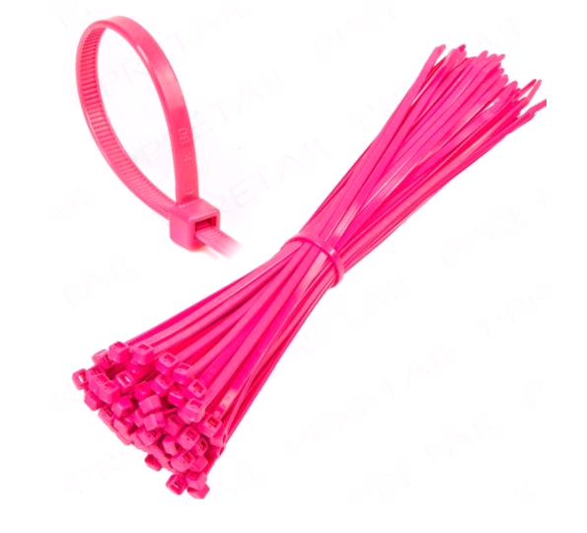
Product Description | Number of Bags | cable ties per bag | Bags/Rolls Per Box
150mm x 3.6mm Neon Green Cable Ties | 3829 | 100pcs | 300
150mm x 3.6mm Neon Orange Cable Ties | 3830 | 100pcs | 300
150mm x 3.6mm Neon Pink Cable Ties | 3717 | 100pcs | 300
150mm x 3.6mm Neon Yellow Cable Ties | 3830 | 100pcs | 300
200mm x 4.6mm Neon Green Cable Ties | 1797 | 100pcs | 160
200mm x 4.6mm Neon Orange Cable Ties | 1747 | 100pcs | 160
200mm x 4.6mm Neon Pink Cable Ties | 1213 | 100pcs | 160
 | 19963

